Reference
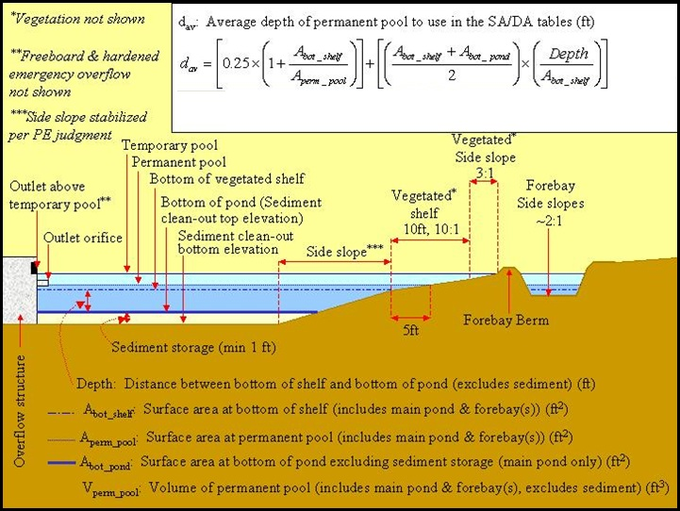
Orifice Coefficients
Entrance Condition | CD
Typical value | 0.60
Square-edged entrance | 0.59
Concrete pipe, grooved end | 0.65
Corrugated metal pipe, mitred to slope | 0.52
Corrugated metal pipe, projecting from fill | 1.00

